Main
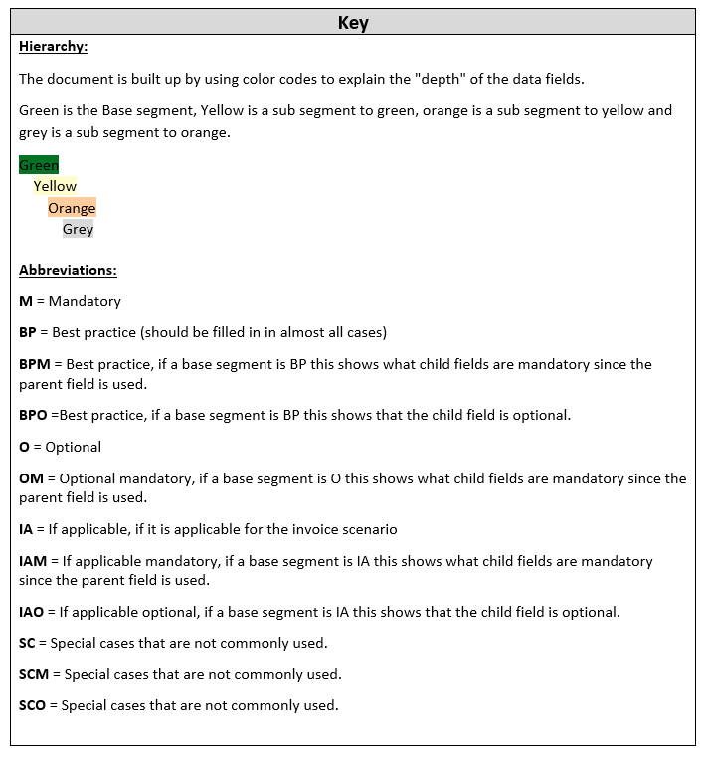
Pagero Universal Format (PUF) Specification Document

Credit note differences
Value name (customer's format) | Requirement | Extension used | Description/Comment | Location (Xpath) | Datatype | Example value | Default value
Invoice info
Invoice type code | M | N | A code specifying the functional type of the Credit Information about allowed ENUMS can be found here: https://pagero.github.io/puf/#_puf_003_invoicetypecode | cbc:CreditNoteTypeCode | Code | 381
Placement of segment | O | N | Please check XSD and make sure cac:TaxExchangeRate is placed differently in CreditNote than in Invoice | cac:TaxExchangeRate
INVOICE LINE | M | N | A group of business terms providing information on individual Invoice lines. One instance for each credit line | cac:CreditNoteLine
Credited quantity | M | N | The item quantity for this invoice line Different element name if a credit invoice | cbc:CreditedQuantity | Quantity | 100

In addition to these 4 elements specified above the "main element" change name from:
Invoice xmlns:cac="urn:pagero:CommonAggregateComponents:1.0"
xmlns:cbc="urn:oasis:names:specification:ubl:schema:xsd:CommonBasicComponents-2"
xmlns:puf="urn:pagero:ExtensionComponent:1.0"
xmlns:ext="urn:oasis:names:specification:ubl:schema:xsd:CommonExtensionComponents-2"
xmlns="urn:pagero:PageroUniversalFormat:Invoice:1.0">
To:
<CreditNote xmlns:cac="urn:pagero:CommonAggregateComponents:1.0" xmlns:cbc="urn:oasis:names:specification:ubl:schema:xsd:CommonBasicComponents-2" xmlns:puf="urn:pagero:ExtensionComponent:1.0" xmlns:ccts="urn:un:unece:uncefact:documentation:2" xmlns:qdt="urn:oasis:names:specification:ubl:schema:xsd:QualifiedDatatypes-2" xmlns:udt="urn:un:unece:uncefact:data:specification:UnqualifiedDataTypesSchemaModule:2" xmlns:ext="urn:oasis:names:specification:ubl:schema:xsd:CommonExtensionComponents-2" xmlns="urn:pagero:PageroUniversalFormat:CreditNote:1.0">

